OVERALL RATING
 | MAXUS eDeliver 7 |  |  | GOLD

77%
 | FITMENT |  |  | PERFORMANCE
 | 0.0 |  |  | 77.6
30 | AEB Car-to-Car | best fitment | Std | AEB Car-to-Car | 22.620 | out of 30
10 | AEB Pedestrian | best fitment | Std | AEB Pedestrian | 7.444 | out of 10
10 | AEB Cyclist | best fitment | Std | AEB Cyclist | 9.423 | out of 10
20 | LSS | best fitment | Std | LSS | 17.500 | out of 20
15 | SAS | best fitment | Std | SAS | 5.625 | out of 15
15 | OSM | best fitment | Std | OSM | 15.000 | out of 15
Total Score |  |  |  | 77.613
Max Points available |  |  |  | 100
Normalised Score |  |  |  | 77
 |  |  | 0% |  |  | 77%

AEB Car-to-Car
3
 | AEB CAR-TO-CAR |  | AEB |  |  |  |  | FCW

 | SYSTEM DETAILS
 |  | System name
 |  | AEB and/or FCW
 |  | Functionality | YES |  |  |  |  | YES
 |  | Speed range (km/h) - Minimum | 4 |  |  |  |  | 4
 |  | Maximum | 130 |  |  |  |  | 130

 | PREREQUISITES
 |  | Default ON after every journey | PASS |  |  |  |  | PASS
 |  | Loud and Clear FCW | PASS |  |  |  |  | PASS
 |  | System switches off below 130 km/h | NO |  |  |  |  | NO
 | PREREQUISITES |  | PASS

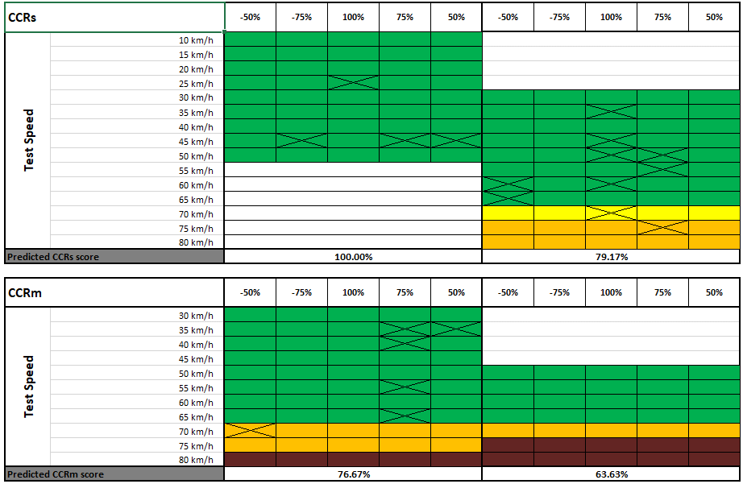
not possible to insert the cross in this spreadsheet. so below is the screenshot of what was chosen by Euro NCAP
 | VCRs |  | -50% | -75% | 100% | 75% | 50% | -50% | -75% | 100% | 75% | 50%
 | Test Speed | 10 km/h | Green | Green | Green | Green | Green
 |  | 15 km/h | Green | Green | Green | Green | Green
 |  | 20 km/h | Green | Green | Green | Green | Green
 |  | 25 km/h | Green | Green | Green | Green | Green
 |  | 30 km/h | Green | Green | Green | Green | Green | Green | Green | Green | Green | Green
 |  | 35 km/h | Green | Green | Green | Green | Green | Green | Green | Green | Green | Green
 |  | 40 km/h | Green | Green | Green | Green | Green | Green | Green | Green | Green | Green
 |  | 45 km/h | Green | Green | Green | Green | Green | Green | Green | Green | Green | Green
 |  | 50 km/h | Green | Green | Green | Green | Green | Green | Green | Green | Green | Green
 |  | 55 km/h |  |  |  |  |  | Green | Green | Green | Green | Green
 |  | 60 km/h |  |  |  |  |  | Green | Green | Green | Green | Green
 |  | 65 km/h |  |  |  |  |  | Green | Green | Green | Green | Green
 |  | 70 km/h |  |  |  |  |  | Yellow | Yellow | Yellow | Yellow | Yellow
 |  | 75 km/h |  |  |  |  |  | Orange | Orange | Orange | Orange | Orange
 |  | 80 km/h |  |  |  |  |  | Orange | Orange | Orange | Orange | Orange
 | Predicted VCRs score |  | 100.00% |  |  |  |  | 93.06%

 | VCRm |  | -50% | -75% | 100% | 75% | 50% | -50% | -75% | 100% | 75% | 50%
 | Test Speed | 30 km/h | Green | Green | Green | Green | Green
 |  | 35 km/h | Green | Green | Green | Green | Green
 |  | 40 km/h | Green | Green | Green | Green | Green
 |  | 45 km/h | Green | Green | Green | Green | Green
 |  | 50 km/h | Green | Green | Green | Green | Green | Green | Green | Green | Green | Green
 |  | 55 km/h | Green | Green | Green | Green | Green | Green | Green | Green | Green | Green
 |  | 60 km/h | Green | Green | Green | Green | Green | Green | Green | Green | Green | Green
 |  | 65 km/h | Green | Green | Green | Green | Green | Green | Green | Green | Green | Green
 |  | 70 km/h | Orange | Orange | Orange | Orange | Orange | Orange | Orange | Orange | Orange | Orange
 |  | 75 km/h | Orange | Orange | Orange | Orange | Orange | Brown | Brown | Brown | Brown | Brown
 |  | 80 km/h | Brown | Brown | Brown | Brown | Brown | Brown | Brown | Brown | Brown | Brown
 | Predicted VCRm score |  | 76.67% |  |  |  |  | 63.64%

 | VCRb
 | Testpoints VCRb |  | Impact Speed |  | Points |  |  | Impact Speed |  | Points
 |  | 12m headway
 |  | -2m/s² EVT acceleration | Green |  | 1.000 |  |  | Green |  | 1.000
 |  | -6m/s² EVT acceleration | Green |  | 1.000 |  |  | Green |  | 1.000
 |  | 40m headway
 |  | -2m/s² EVT acceleration | Green |  | 1.000 |  |  | Green |  | 1.000
 |  | -6m/s² EVT acceleration | Green |  | 1.000 |  |  | Green |  | 1.000
 | VCRb RESULT |  | 100.0% |  |  |  |  | 100.0%

 | VERIFICATION TESTS
 |  |  | Testpoint |  | Prediction | Vimpact | Points | Testpoint | ESS | Prediction | Vimpact | Points
 |  |  | VCRs,45,75 |  | Green | 0.00 | 1.000 | VCRs,50,100 |  | Green | 0 | 1.000
 |  |  | VCRs,25,100 |  | Green | 0.00 | 1.000 | VCRs,75,75 |  | Orange | 36.76 | 0.500
 |  |  | VCRm,65,75 |  | Green | 0.00 | 1.000 | VCRs,55,75 |  | Green | 0 | 1.000
 |  |  | VCRs,45,-75 |  | Green | 0.00 | 1.000 | VCRs,35,100 |  | Green | 0 | 1.000
 |  |  | VCRm,40,75 |  | Green | 0.00 | 1.000 | VCRs,50,75 |  | Green | 0 | 1.000
 |  |  | VCRm,55,75 |  | Green | 0.00 | 1.000 | VCRs,70,100 |  | Yellow | 18.46 | 0.750
 |  |  | VCRm,35,50 |  | Green | 0.00 | 1.000 | VCRs,65,-50 |  | Green | 0 | 1.000
 |  |  | VCRs,45,50 |  | Green | 0.00 | 1.000 | VCRs,45,100 |  | Green | 0 | 1.000
 |  |  | VCRm,70,-50 |  | Orange | 24.19 | 1.000 | VCRs,60,-50 |  | Green | 0 | 1.000
 |  |  | VCRm,35,75 |  | Green | 0.00 | 1.000 | VCRs,60,100 |  | Green | 0 | 1.000

 | Total |  |  |  | 9.500 |  | 10.000 |  |  | 9.250 |  | 9.250

 | Correction factor |  | 1.053 |  |  |  |  | 1.000

 | VCFtap
 | Testpoints VCFtap |  | Test speed |  | GVT speed
 |  |  |  |  | 30 km/h | 45 km/h | 55 km/h
 |  |  |  | 10 km/h | Green | Green | Green
 |  |  |  | 15 km/h | Green | Green | Green
 |  |  |  | 20 km/h | Red | Red | Red
 | VCFtap RESULT |  | 66.7%

 | HMI
 |  | Additional HMI features
 |  | Suplementary warning |  |  | 0.000
 |  | Restraint activation / dynamic retractors | NO |  | 0.000
 | HMI RESULT |  | 0.0%

 | SUMMARY
 |  | VCRs (prediction x correction factor) | 105.3% |  |  |  |  | 93.1%
 |  | VCRm (prediction x correction factor) | 80.7% |  |  |  |  | 63.6%
 |  | VCRb | 100.0% |  |  |  |  | 100.0%
 |  | VCFtap | 66.7%
 |  | HMI | 0.0%

 | TOTAL
 |  | AEB | 1.907
 |  | FCW | 1.284
 |  | VCFtap | 1.333
 |  | HMI | 0.000

 | TOTAL AEB CAR-TO-CAR |  | 4.524

